Hydrostatics (Maxsurf)
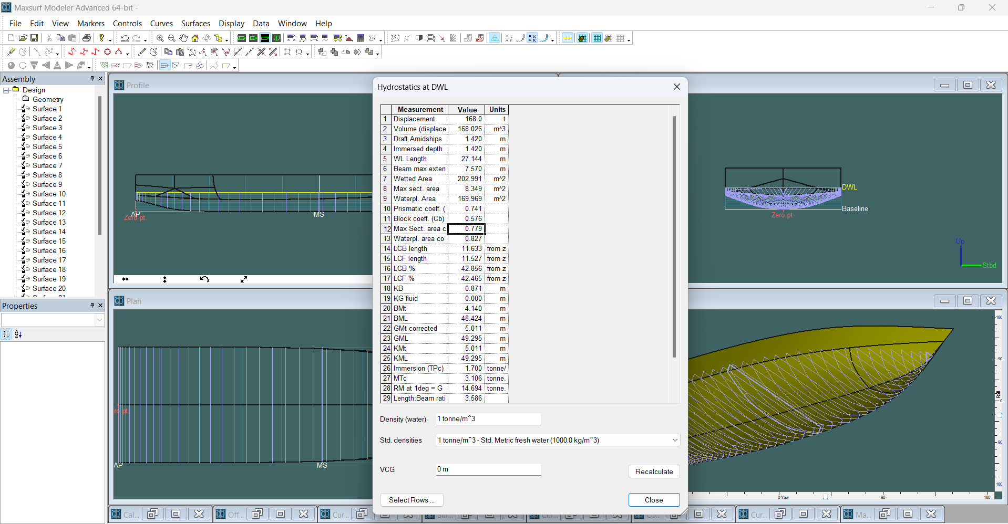
 | NILAI HYDROSTATICS
 | Software | : Maxsurf Modelar Advanced
 | Density | : 1000 kg/m^3
 | Hydrostatics Aspect | Value |  | Unit
 |  | Monohull | Catamaran
1 | Displacement | 168 | 168 | t
2 | Volume (displaced) | 168.03 | 168.02 | m^3
3 | Draft Amidships | 1.42 | 3.44 | m
4 | Immersed depth | 1.42 | 3.44 | m
5 | WL Length | 27.14 | 23.68 | m
6 | Beam max extents on WL | 7.57 | 11.58 | m
7 | Wetted Area | 202.99 | 309.95 | m^2
8 | Max sect. area | 8.35 | 10.46 | m^2
9 | Waterpl. Area | 169.97 | 80.89 | m^2
10 | Prismatic coeff. (Cp) | 0.74 | 0.68
11 | Block coeff. (Cb) | 0.58 | 0.45
12 | Max Sect. area coeff. (Cm) | 0.78 | 0.68
13 | Waterpl. area coeff. (Cwp) | 0.83 | 0.75
14 | LCB length | 11.63 | 9.27 | from zero pt. (+ve fwd) m
15 | LCF length | 11.53 | 9.43 | from zero pt. (+ve fwd) m
16 | LCB % | 42.86 | 39.17 | from zero pt. (+ve fwd) % Lwl
17 | LCF % | 42.47 | 39.83 | from zero pt. (+ve fwd) % Lwl
18 | KB | 0.87 | 2.18 | m
19 | KG fluid | 0.00 | 0.00 | m
20 | BMt | 4.14 | 10.52 | m
21 | BML | 48.42 | 16.31 | m
22 | GMt corrected | 5.01 | 12.71 | m
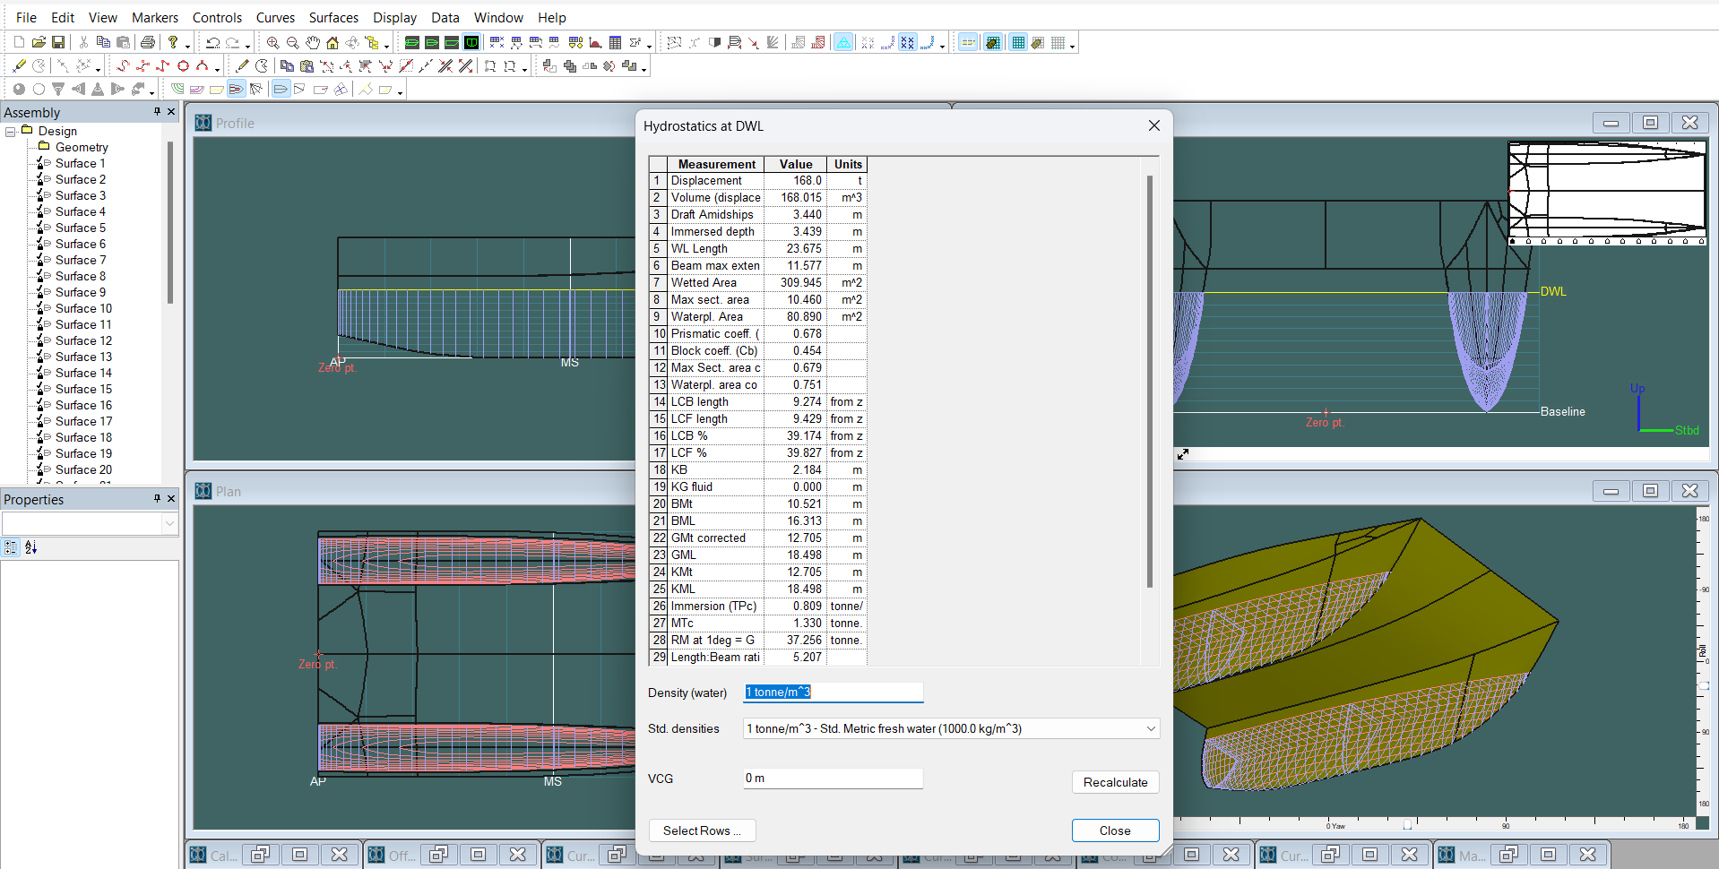
23 | GML | 49.30 | 18.50 | m
24 | KMt | 5.01 | 12.71 | m
25 | KML | 49.30 | 18.50 | m
26 | Immersion (TPc) | 1.70 | 0.81 | tonne/cm
27 | MTc | 3.11 | 1.33 | tonne.m
28 | RM at 1deg = GMt.Disp.sin(1) | 14.69 | 37.26 | tonne.m
29 | Length:Beam ratio | 3.59 | 5.21
30 | Beam:Draft ratio | 5.33 | 1.32
31 | Length:Vol^0.333 ratio | 4.92 | 4.29
32 | Precision | Medium | Medium | 66 stations

Resistance (maxsurf)
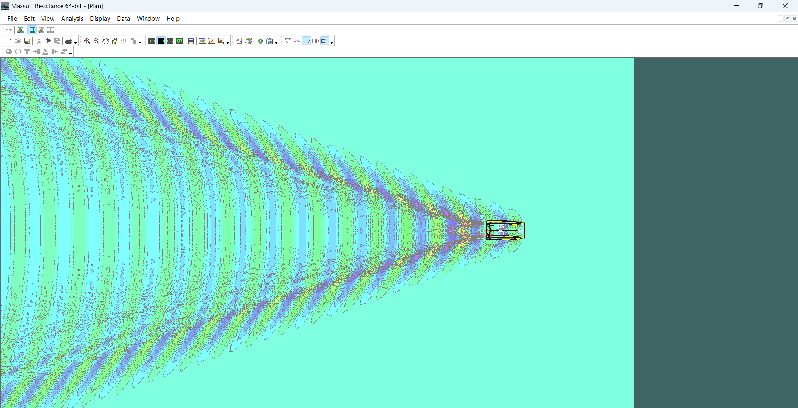
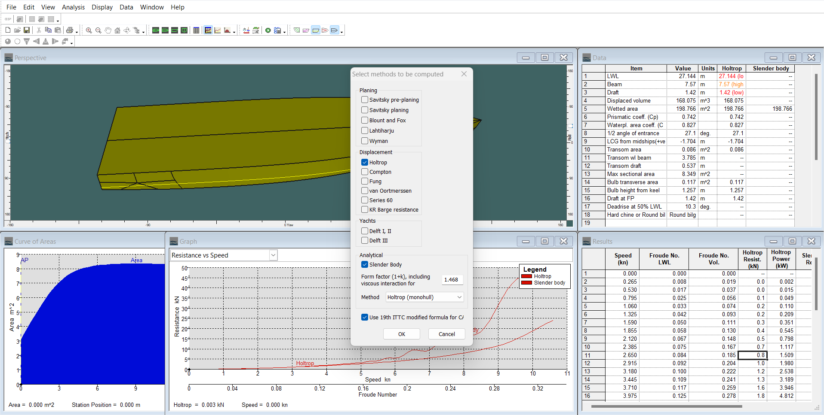
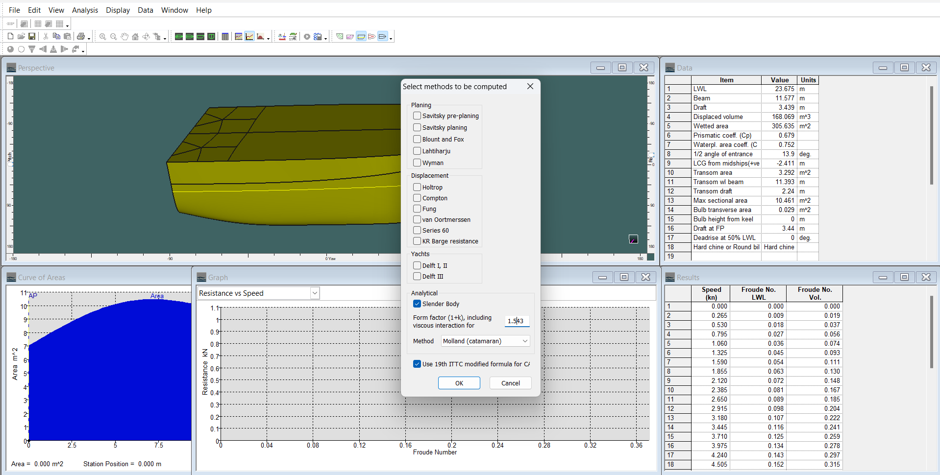
 | NILAI RESISTANCE |  |  |  |  |  |  |  |  | (MONOHULL) |  |  | (CATAMARAN)
 | Software | Maxsurf Resistancce
 | Vs (knot) | 10.60
 | Efficiency | 75%
 | Speed (knot) | Monohull |  |  |  |  | Catamaran
 |  | Nilai (1+k) : | 1.468 |  |  |  | Nilai (1+k) : | 1.543
 |  | Fraude Number (Fn) | Holtrop |  | Slender Body |  | Fraude Number (Fn) | Slender Body
 |  |  | Resistance (kN) | EHP (kW) | Resistance (kN) | EHP (kW) |  | Resistance (kN) | EHP (kW)
0 | 0.000 | 0.000 | - | - | - | - | 0.000 | - | -
1 | 0.265 | 0.008 | 0.000 | 0.002 | 0.000 | 0.002 | 0.009 | 0.000 | 0.003
2 | 0.530 | 0.017 | 0.000 | 0.015 | 0.000 | 0.014 | 0.018 | 0.100 | 0.022
3 | 0.795 | 0.025 | 0.100 | 0.049 | 0.100 | 0.044 | 0.027 | 0.100 | 0.073
4 | 1.060 | 0.033 | 0.200 | 0.110 | 0.100 | 0.103 | 0.036 | 0.200 | 0.169
5 | 1.325 | 0.042 | 0.200 | 0.209 | 0.200 | 0.198 | 0.045 | 0.400 | 0.324
6 | 1.590 | 0.050 | 0.300 | 0.351 | 0.300 | 0.337 | 0.054 | 0.500 | 0.551
7 | 1.855 | 0.058 | 0.400 | 0.545 | 0.400 | 0.529 | 0.063 | 0.700 | 0.864
8 | 2.120 | 0.067 | 0.500 | 0.798 | 0.500 | 0.781 | 0.072 | 0.900 | 1.275
9 | 2.385 | 0.075 | 0.700 | 1.117 | 0.700 | 1.103 | 0.081 | 1.100 | 1.798
10 | 2.650 | 0.084 | 0.800 | 1.509 | 0.800 | 1.512 | 0.089 | 1.300 | 2.446
11 | 2.915 | 0.092 | 1.000 | 1.980 | 1.000 | 2.004 | 0.098 | 1.600 | 3.230
12 | 3.180 | 0.100 | 1.200 | 2.538 | 1.200 | 2.649 | 0.107 | 1.900 | 4.166
13 | 3.445 | 0.109 | 1.300 | 3.189 | 1.400 | 3.419 | 0.116 | 2.200 | 5.266
14 | 3.710 | 0.117 | 1.600 | 3.946 | 1.700 | 4.396 | 0.125 | 2.600 | 6.542
15 | 3.975 | 0.125 | 1.800 | 4.812 | 2.000 | 5.376 | 0.134 | 2.900 | 8.012
16 | 4.240 | 0.134 | 2.000 | 5.794 | 2.300 | 6.813 | 0.143 | 3.300 | 9.668
17 | 4.505 | 0.142 | 2.200 | 6.903 | 2.700 | 8.282 | 0.152 | 3.700 | 11.566
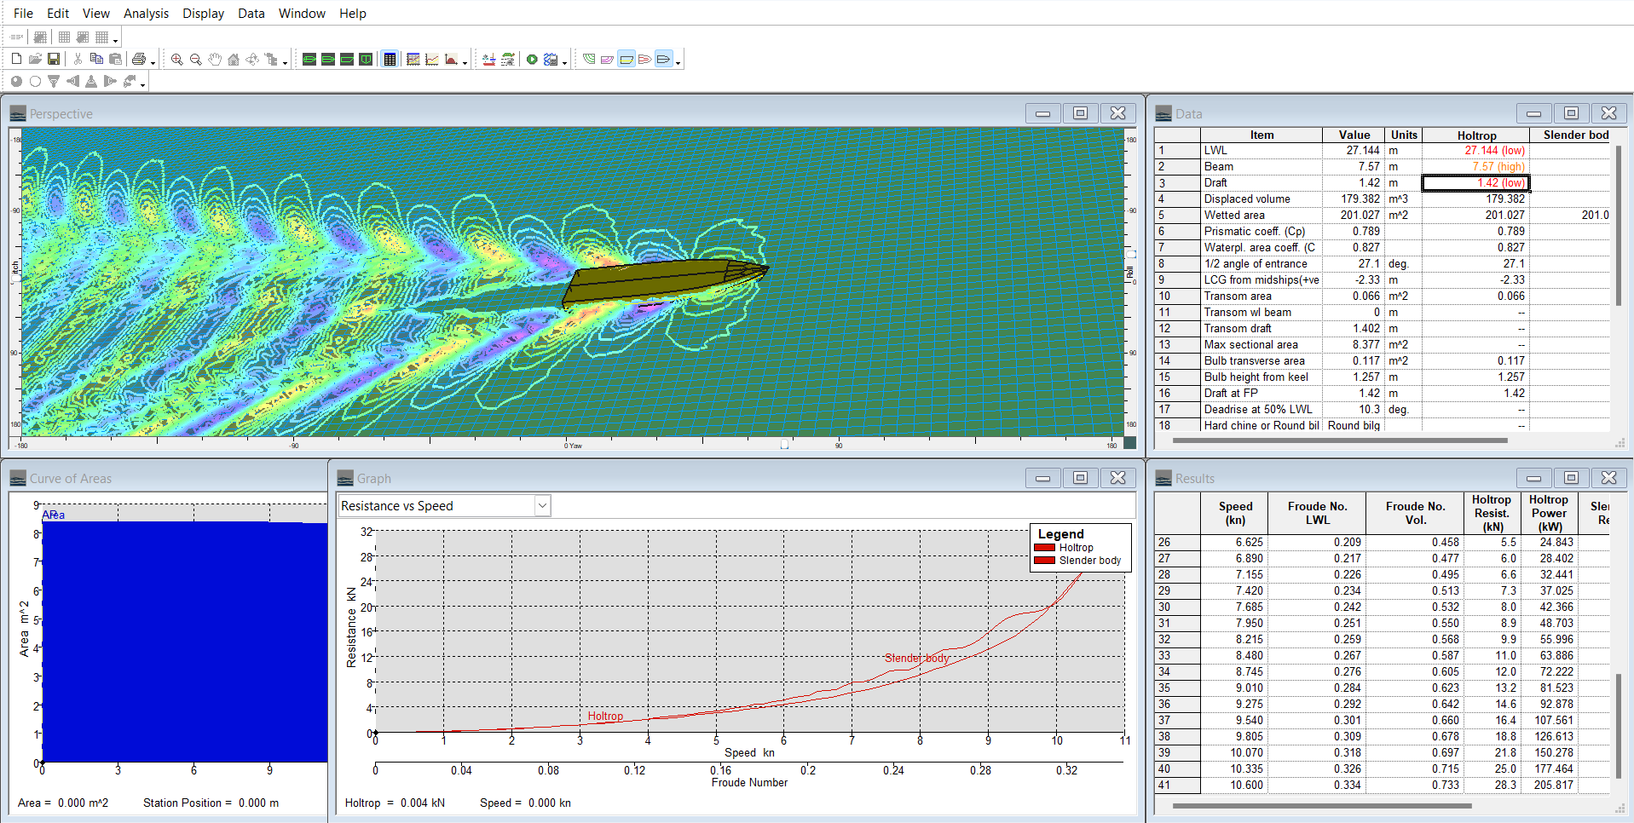
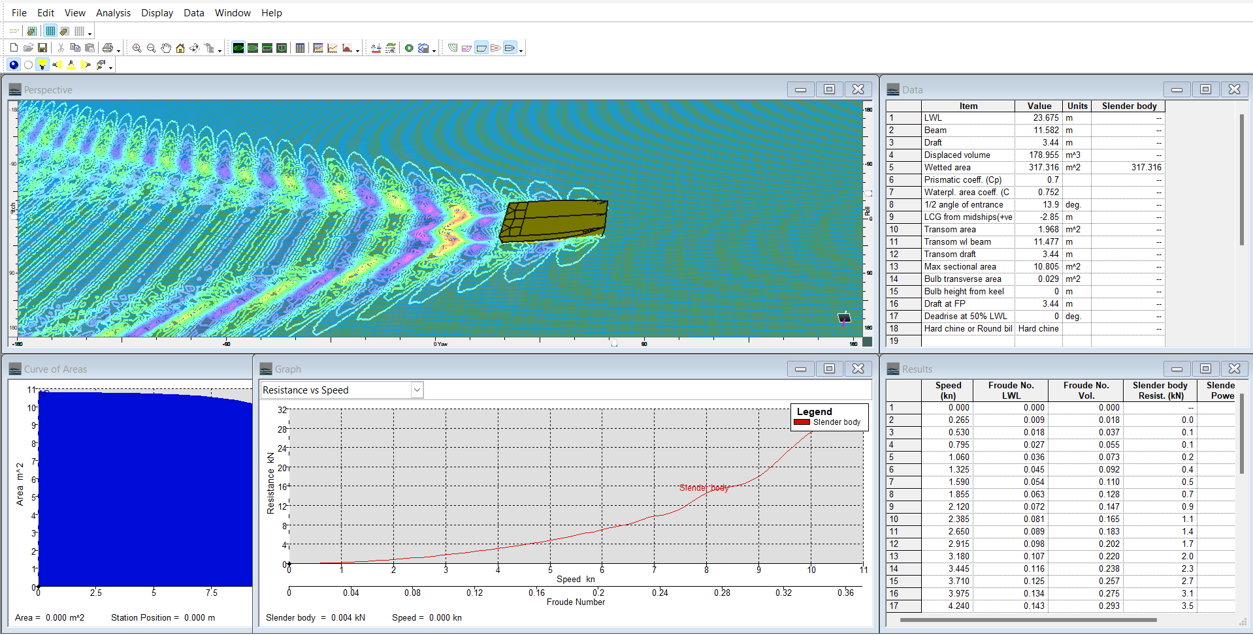
18 | 4.770 | 0.150 | 2.500 | 8.146 | 3.000 | 9.923 | 0.161 | 4.200 | 13.693
19 | 5.035 | 0.159 | 2.800 | 9.536 | 3.300 | 11.287 | 0.170 | 4.600 | 16.043
20 | 5.300 | 0.167 | 3.100 | 11.089 | 4.000 | 14.679 | 0.179 | 5.200 | 18.746
21 | 5.565 | 0.175 | 3.400 | 12.823 | 4.500 | 17.069 | 0.188 | 5.700 | 21.861
22 | 5.830 | 0.184 | 3.700 | 14.761 | 5.700 | 22.778 | 0.197 | 6.200 | 24.806
23 | 6.095 | 0.192 | 4.100 | 16.934 | 5.800 | 24.088 | 0.206 | 6.900 | 28.817
24 | 6.360 | 0.201 | 4.400 | 19.378 | 8.300 | 36.151 | 0.215 | 7.400 | 32.245
25 | 6.625 | 0.209 | 4.900 | 22.141 | 9.500 | 43.239 | 0.224 | 8.200 | 37.048
26 | 6.890 | 0.217 | 5.300 | 25.269 | 8.900 | 42.033 | 0.233 | 9.100 | 42.911
27 | 7.155 | 0.226 | 5.900 | 28.814 | 11.300 | 55.643 | 0.242 | 9.600 | 46.927
28 | 7.420 | 0.234 | 6.500 | 32.889 | 16.400 | 83.627 | 0.251 | 10.200 | 51.973
29 | 7.685 | 0.242 | 7.100 | 37.644 | 19.100 | 100.739 | 0.259 | 11.500 | 60.456
30 | 7.950 | 0.251 | 7.900 | 43.112 | 17.900 | 97.710 | 0.268 | 12.800 | 69.780
31 | 8.215 | 0.259 | 8.700 | 49.154 | 16.800 | 94.485 | 0.277 | 13.600 | 76.808
32 | 8.480 | 0.267 | 9.600 | 55.717 | 18.400 | 106.977 | 0.286 | 14.100 | 81.769
33 | 8.745 | 0.276 | 10.500 | 63.118 | 23.800 | 142.733 | 0.295 | 14.600 | 87.306
34 | 9.010 | 0.284 | 11.700 | 72.034 | 31.800 | 196.560 | 0.304 | 15.500 | 95.650
35 | 9.275 | 0.292 | 13.100 | 83.290 | 39.400 | 250.791 | 0.313 | 16.800 | 107.119
36 | 9.540 | 0.301 | 14.900 | 97.541 | 44.300 | 289.838 | 0.322 | 18.400 | 120.423
37 | 9.805 | 0.309 | 17.100 | 114.884 | 46.100 | 310.082 | 0.331 | 19.900 | 133.766
38 | 10.070 | 0.318 | 19.500 | 134.541 | 45.800 | 316.530 | 0.340 | 21.100 | 145.814
39 | 10.335 | 0.326 | 21.900 | 154.987 | 44.500 | 315.608 | 0.349 | 24.000 | 174.121
40 | 10.600 | 0.334 | 24.000 | 174.623 | 42.900 | 311.623 | 0.358 | 25.700 | 185.092

Perbandingan Hambatan dengan Kecepatan

 |  |  |  |  |  |  |  |  |  | Vs : | 0 | knot | Vs : | = | knot
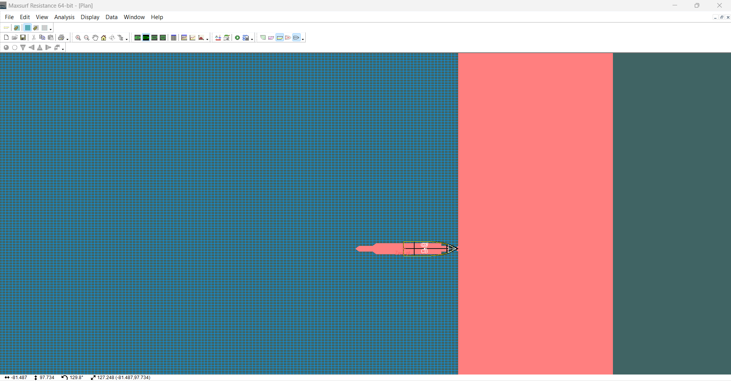
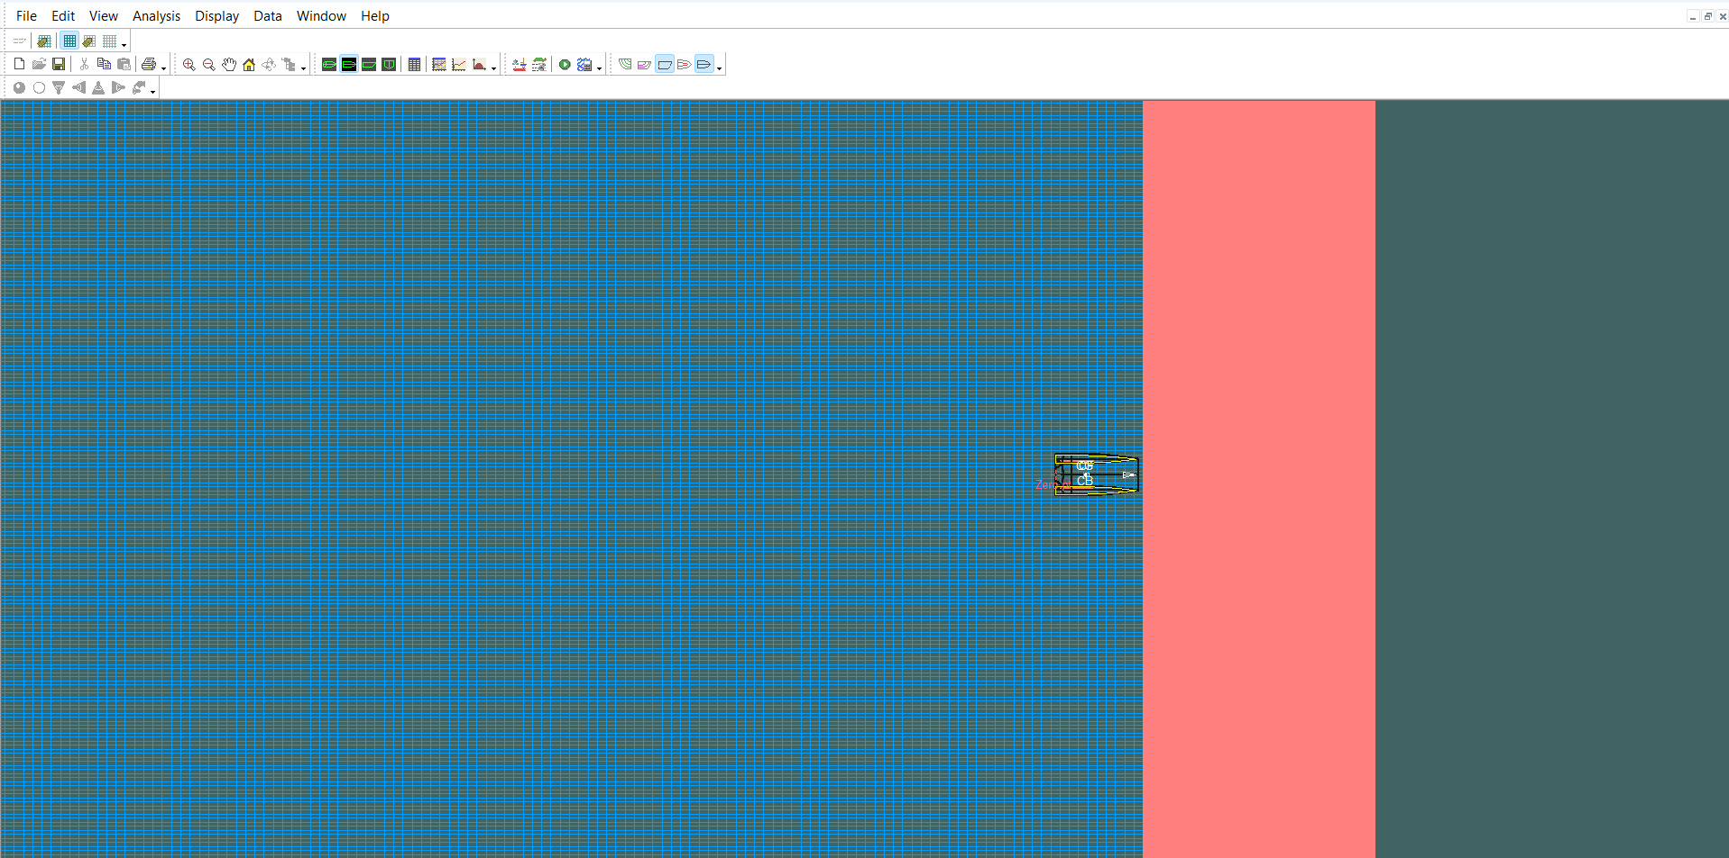

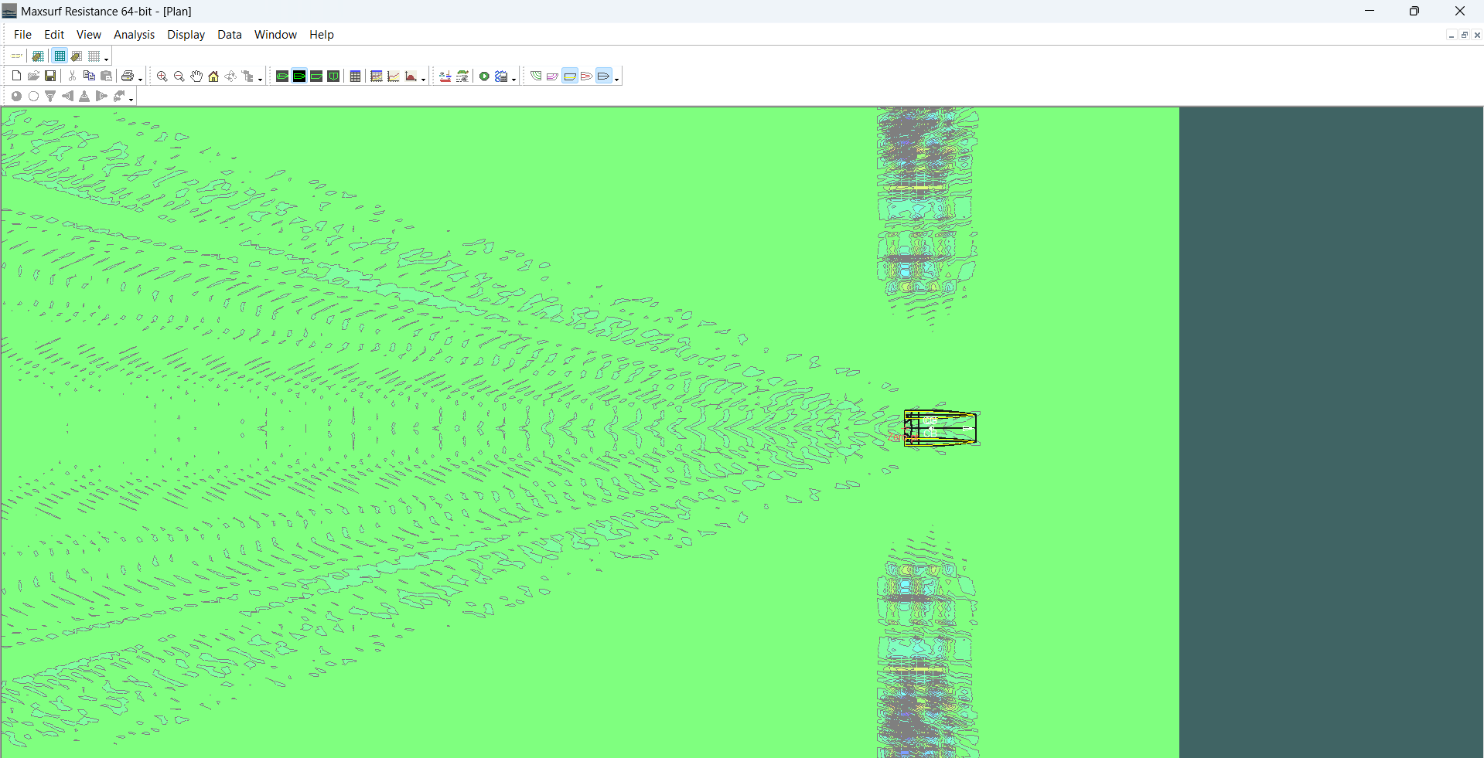
 |  |  |  |  |  |  |  |  |  | Vs : | 1.06 | knot | Vs : | 1.06 | knot
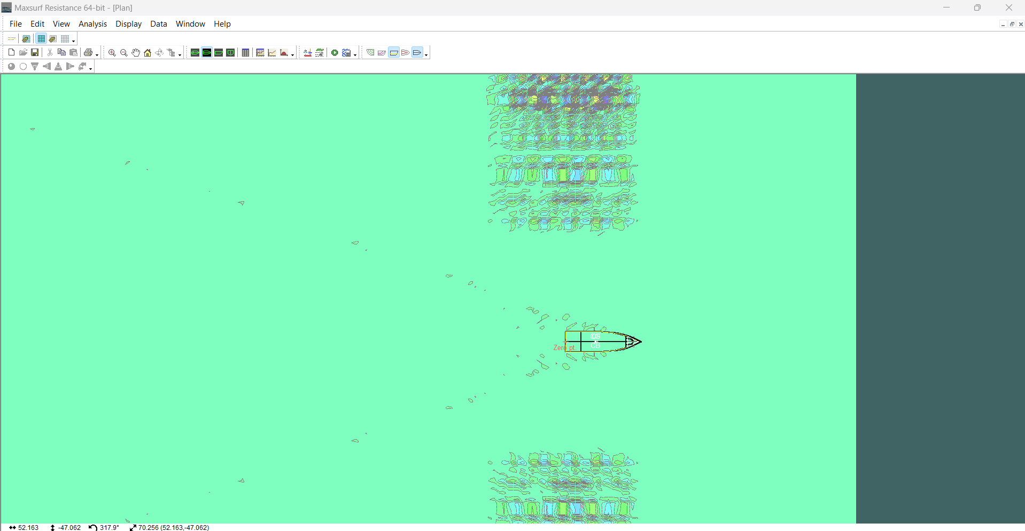

Perbandingan Daya (EHP) dengan Kecepatan

 |  |  |  |  |  |  |  |  |  | Vs : | 2.12 | knot | Vs : | 2.12 | knot
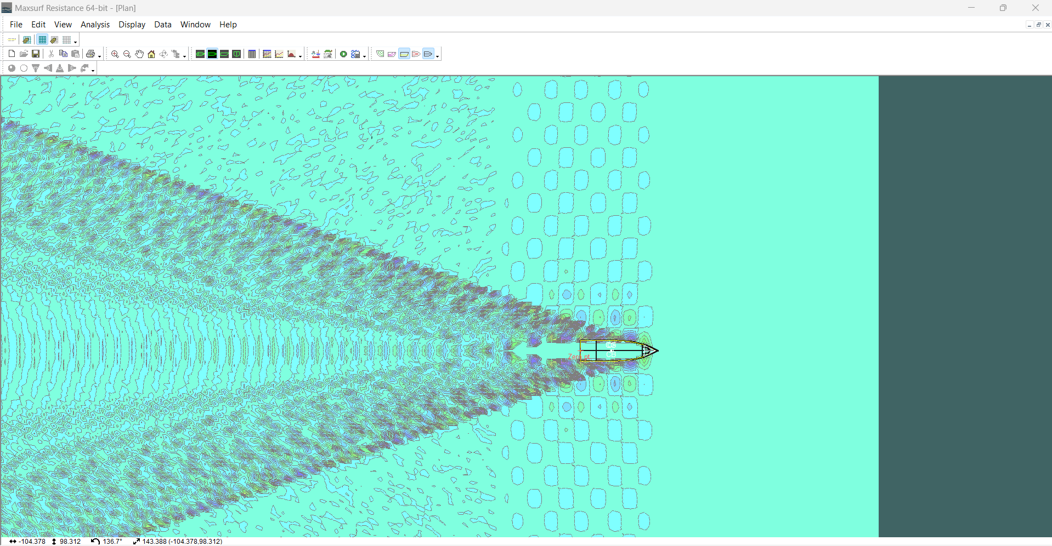
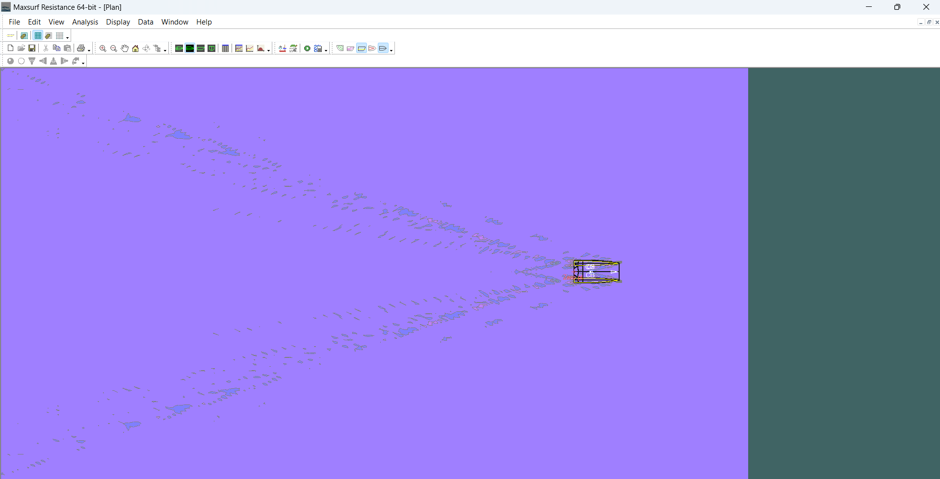

 |  |  |  |  |  |  |  |  |  | Vs : | 3.18 | knot | Vs : | 3.18 | knot
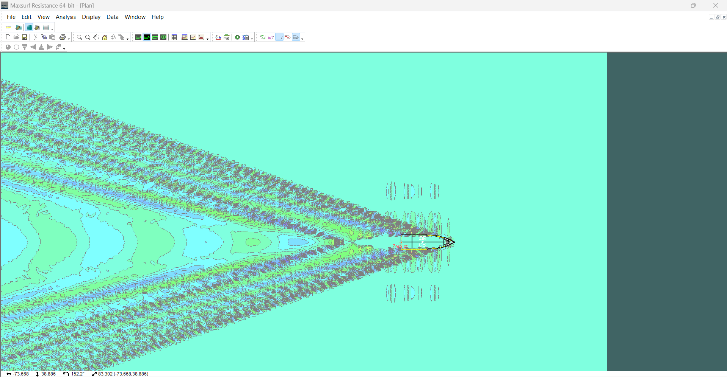
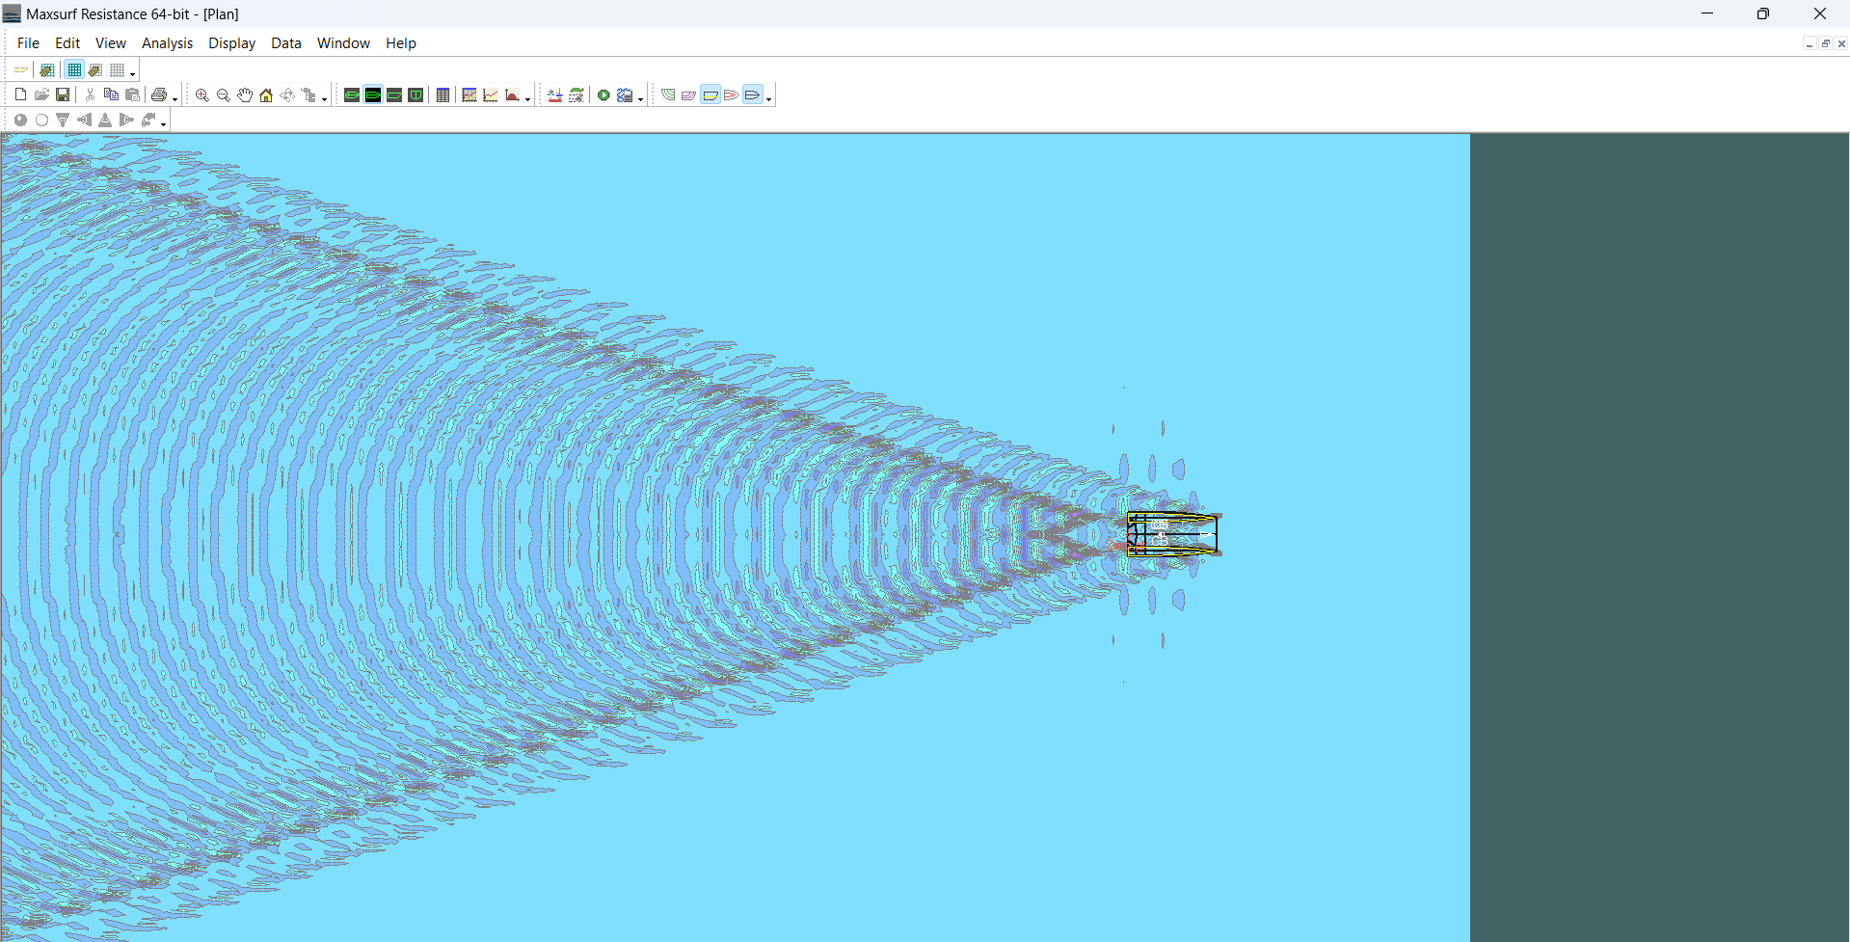

Perbandingan Hambatan dengan Daya

 |  |  |  |  |  |  |  |  |  | Vs : | 4.24 | knot | Vs : | 4.24 | knot
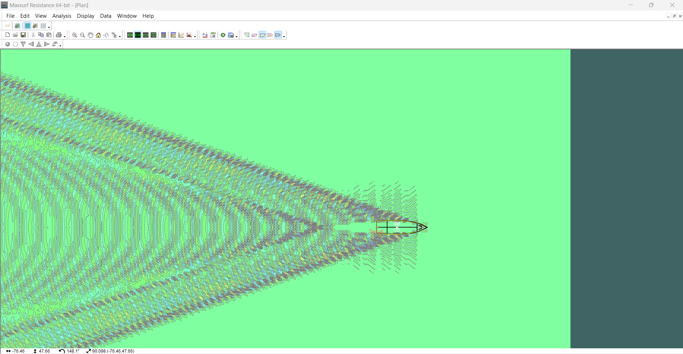
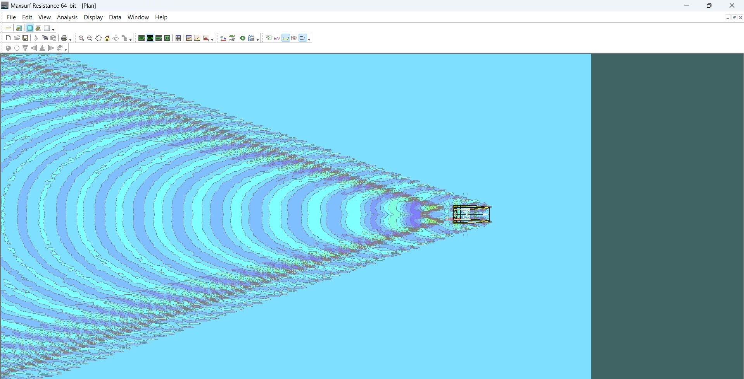

 |  |  |  |  |  |  |  |  |  | Vs : | 5.3 | knot | Vs : | 5.3 | knot
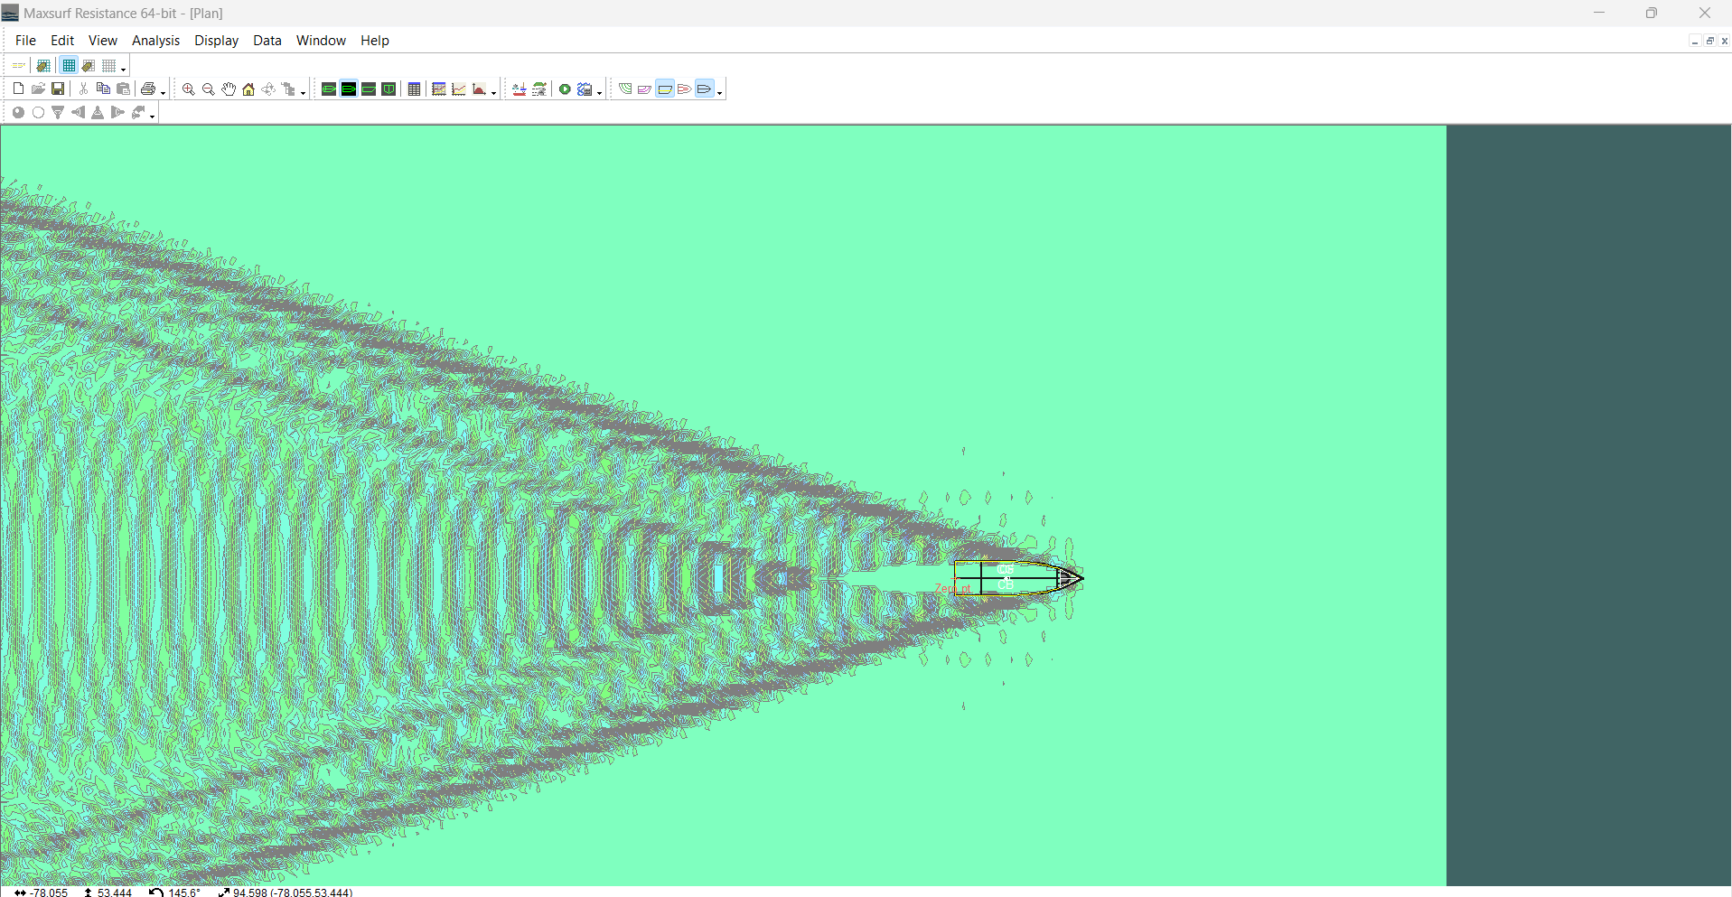
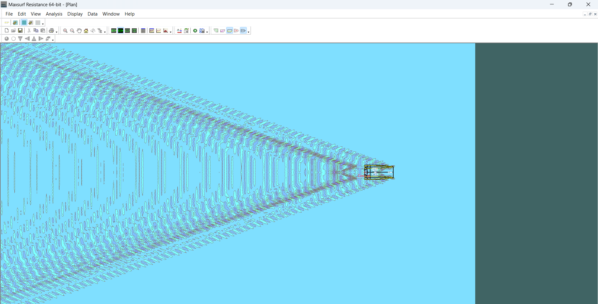

 | NILAI SHP, DHP, BHP
 | MONOHULL |  |  | CATAMARAN
 | EHP (kW) |  | 174.623 | EHP (kW) |  | 185.092
 | Vs (Knot) |  | 10.600 | Vs (Knot) |  | 10.600
 | Hull efficiency (ηH) |  | 1.23 | Hull efficiency (ηH) |  | 1.16
 | Open prop. efficiency (ηO) |  | 0.627 | Open prop. efficiency (ηO) |  | 0.666
 | Relative-rot. efficiency (ηR) |  | 1.014 | Relative-rot. efficiency (ηR) |  | 1.01
 | Propulsion Ciefficient |  | 0.78200694 | Propulsion Ciefficient |  | 0.7802856
 | SHP (kW) |  | 223.30108733 | SHP (kW) |  | 237.21058033
 | DHP (kW) |  | 218.83506558 | DHP (kW) |  | 232.46636872
 | BHP Total (kW) |  | 230.00011995 | BHP Total (kW) |  | 244.32689774 | (Double Engine) |  |  | Vs : | 6.36 | knot | Vs : | 6.36 | knot
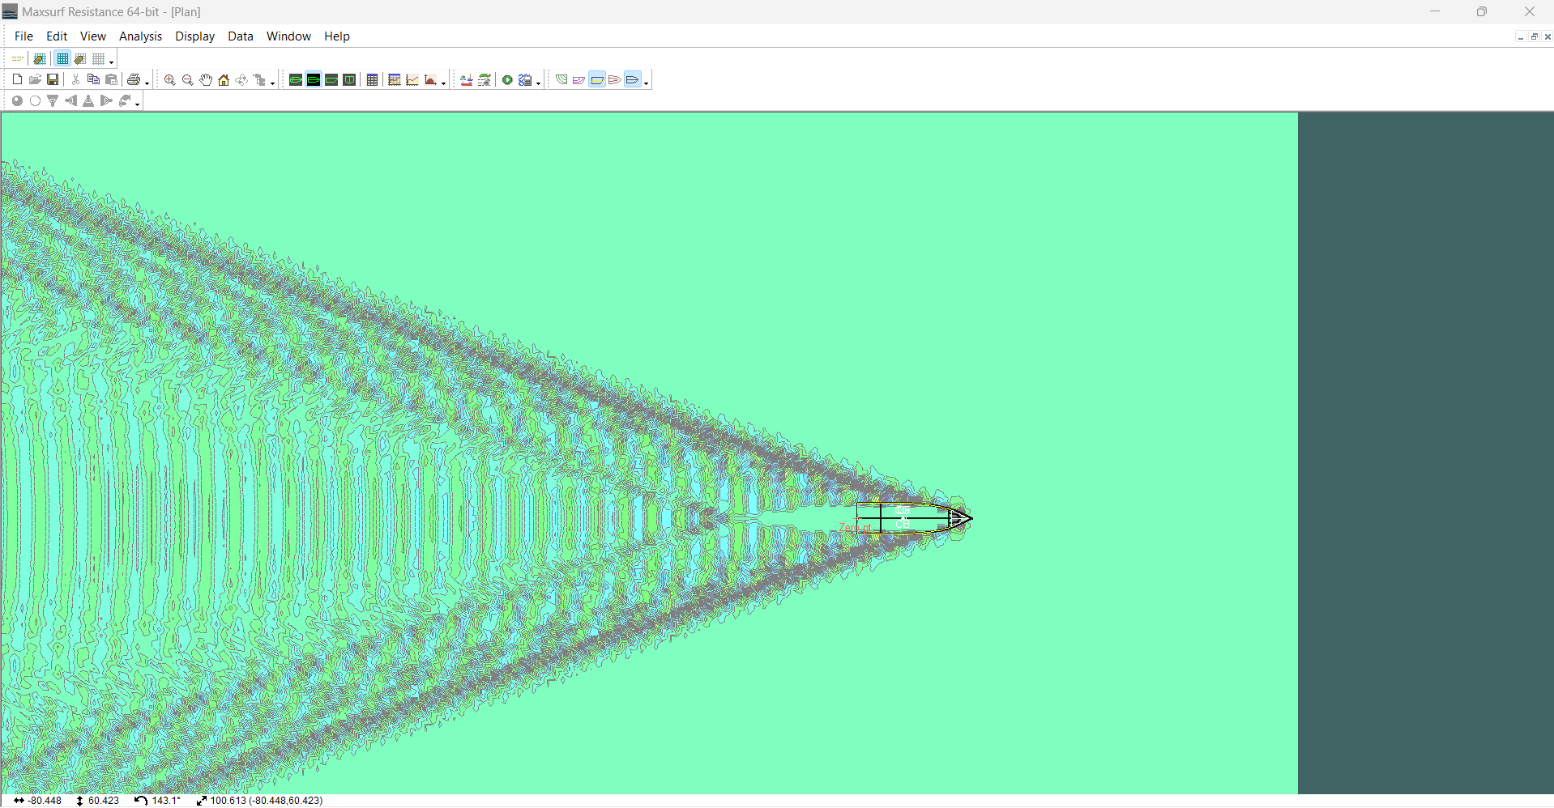
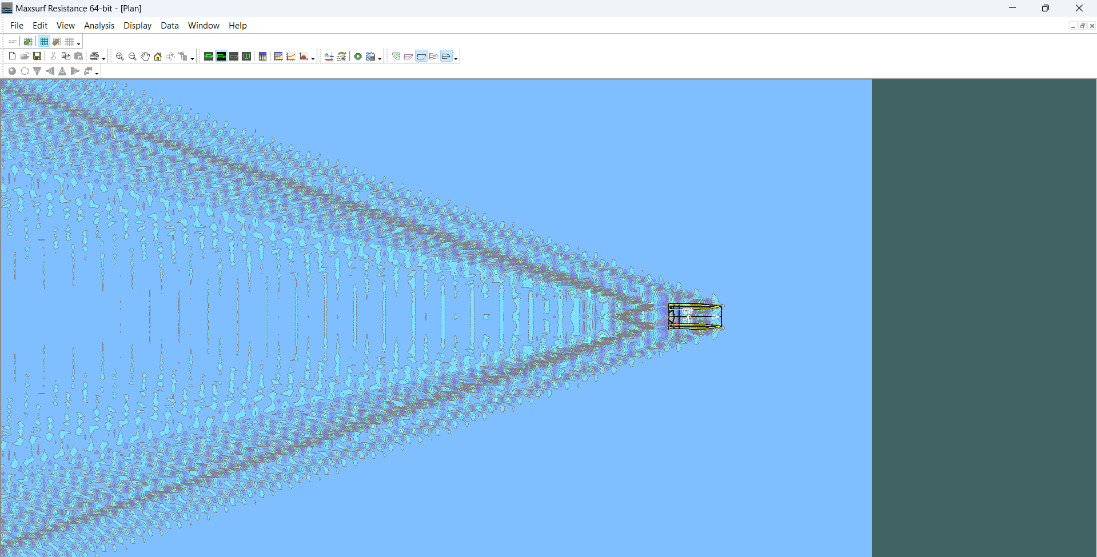
 | BHP per engine (kW) |  | 115.00005997 | BHP per engine (kW) |  | 122.16344887 | (1 engine)
 |  | ~ | 300 |  |  | 150
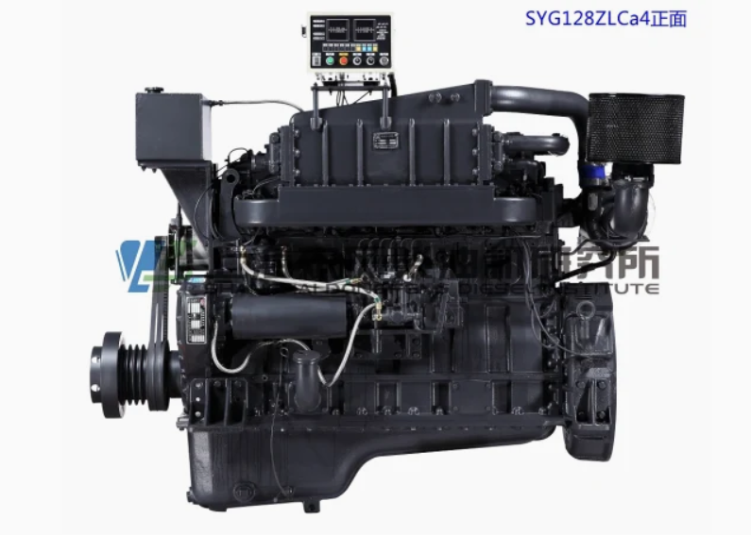
 |  | HP | 402.306 |  | HP | 201.153

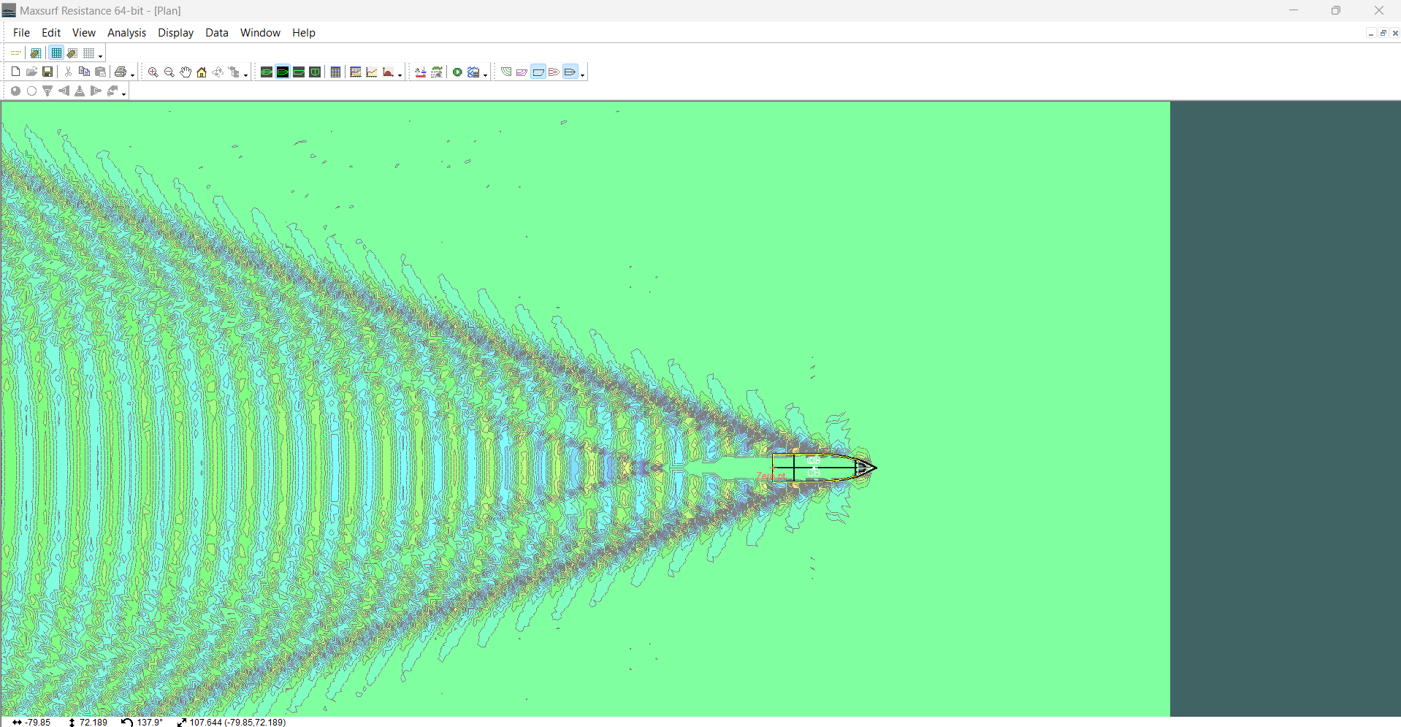
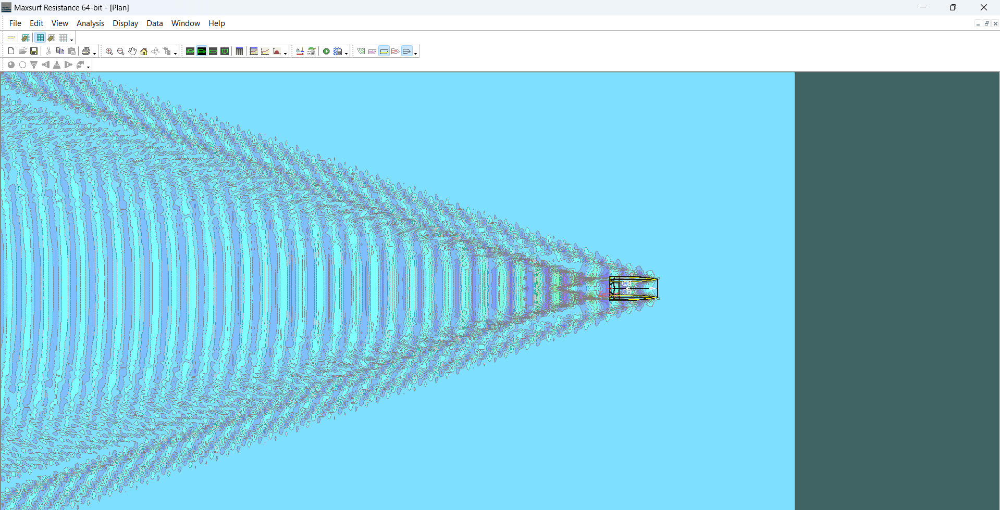
 |  |  |  |  |  |  |  |  |  | Vs : | 7.42 | knot | Vs : | 7.42 | knot
 | DATA MAIN ENGINE
 | (Tidak dipakai) |  |  |  | (data for single engine) |  |  |  | 2 engine
 | Manufacture |  | Dongfeng |  | Manufacture |  | Dongfeng
 | Model No. |  | SYG128ZLCa15 - G128 - ZLcaf3 |  | Model No. |  | SYG128ZLCa15 - G128- ZCa
 | Output rated Power |  | 303.6 | kW | Output rated Power |  | 155.5 | kW | 311
 | Weight |  | 1360 | kg | Weight |  | 1150 | kg | 2300
 | Length |  | 1762 | mm | Length |  | 1732 | mm
 | Wide |  | 811 | mm | Wide |  | 845 | mm
 | Height |  | 1532 | mm | Height |  | 1298 | mm
 | Rated Speed |  | 1500 | rpm | Rated Speed |  | 1800 | rpm
 | Fuel Consumption |  | 197 | g/kw.h | Fuel Consumption |  | 197 | g/kw.h | 394
 | Lubricant Consumption |  | 0.7 | g/kw.h | Lubricant Consumption |  | 0.7 | g/kw.h | 1.4

 | https://shstfpower.en.made-in-china.com/product/RKFmvhSHCQUc/China-300kw-400HP-Marine-Diesel-Engine-Boat-Engine.html |  |  |  |  |  |  |  |  | Vs : | 8.48 | knot | Vs : | 8.48 | knot
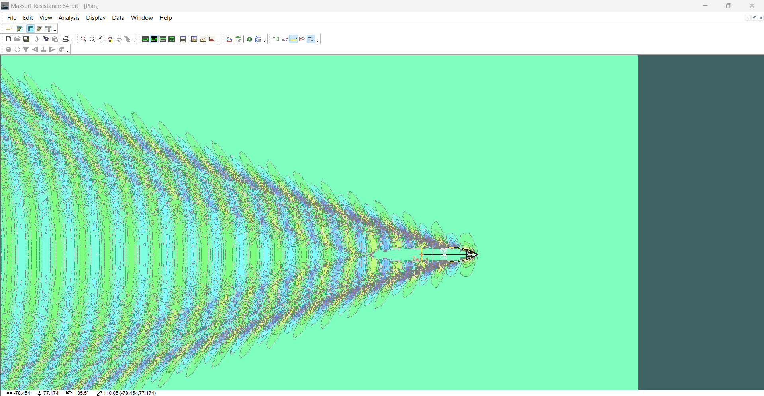
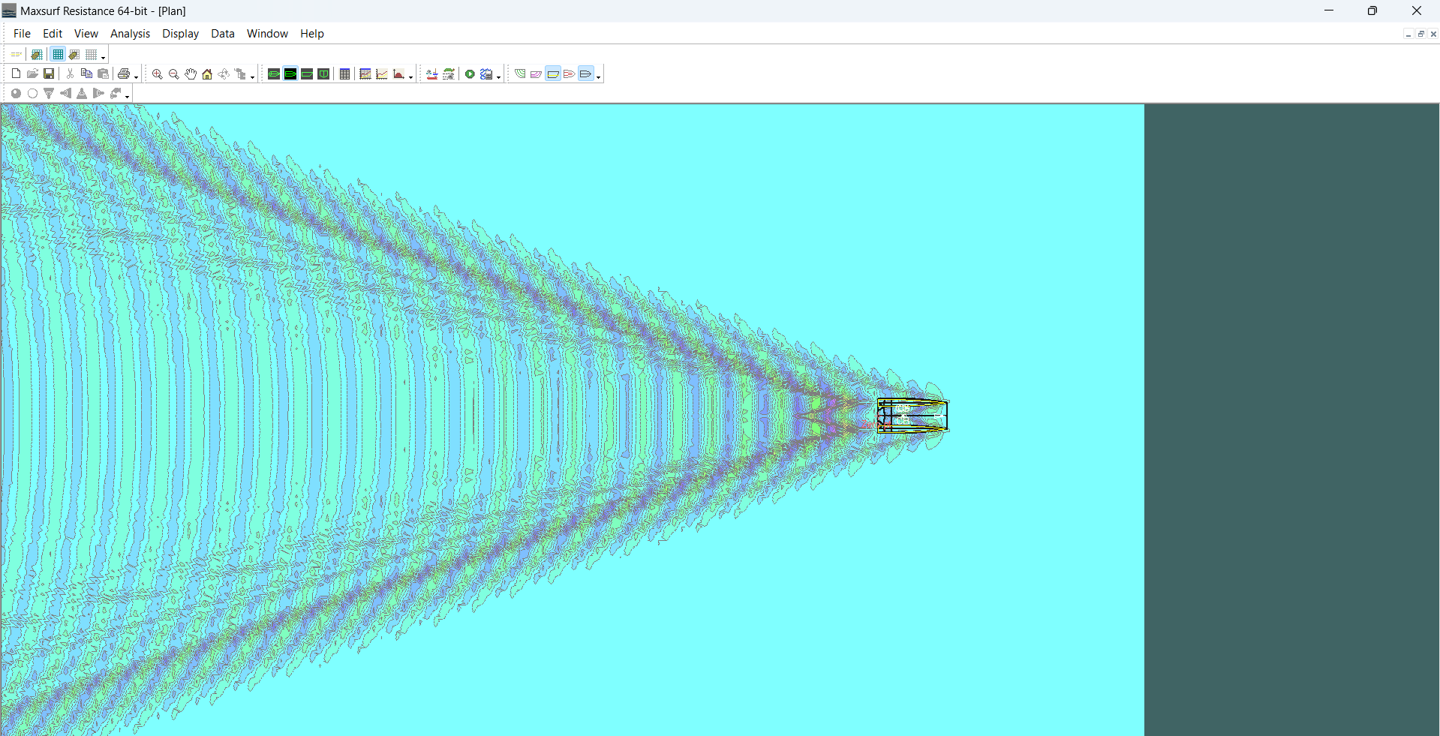
 |  |  | 405.5

 |  |  | volume main engine
 |  |  | 2.175 | m^3
 |  |  | Berat Permesinan
 |  |  | 2.300 | Ton
 |  |  | Massa Jenis Permesinan
 |  |  | 1.057 | Ton/m^2

 |  |  |  |  |  |  |  |  |  | Vs : | 9.54 | knot | Vs : | 9.54 | knot

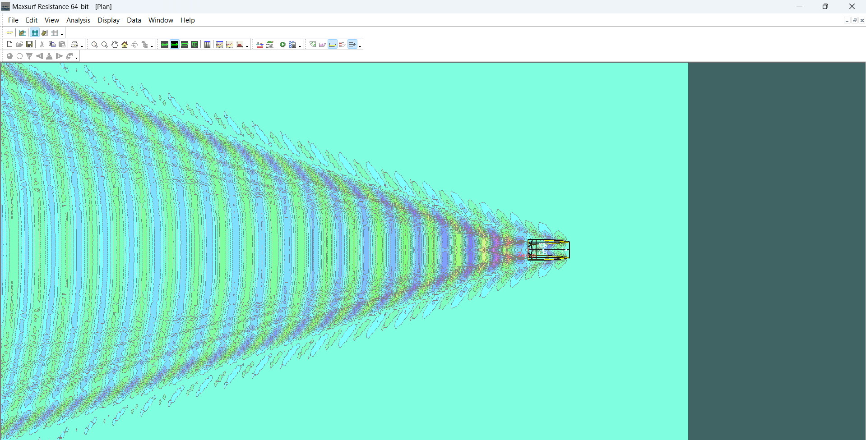

 |  |  |  |  |  |  |  |  |  | Vs : | 10.6 | knot | Vs : | 10.6 | knot

Estimasi LWT
 |  |  |  |  |  | MONOHULL |  |  |  |  | CATAMARAN
KOMPONEN LWT |  |  |  |  |  | Berat Baja Kapal |  |  |  |  | Berat Baja Kapal (Untuk Demihull)
Komponen | Monohull |  | Catamaran |  |  | 1. Parameter Steel Weight |  |  |  |  | 1. Parameter Steel Weight
Berat Konstruksi Kapal (Aluminium) | 24.602 | Ton | 47.70 | Ton
Berat Outfit dan Akomodasi | 7.733 | Ton | 6.82 | Ton |  |  | L | = LPP |  |  |  | L | = LPP
Berat Main Engine | 2.300 | Ton | 12.95 | Ton |  |  |  | 26.67 | m |  |  |  | 23.37 | m
Berat Permesinan Lain | 10.649 | Ton | 10.649 | Ton |  |  | B | = Beam |  |  |  | BH | = Demihull Beam
 |  |  |  |  |  |  |  | 7.57 | m |  |  |  | 1.99 | m
LWT = | 45.284 | Ton | 78.1192529 | Ton |  |  | T | = Sarat |  |  |  | T | = Sarat
 |  |  |  |  |  |  |  | 1.42 | m |  |  |  | 3.44 | m
 |  |  |  |  |  |  | H | = Height |  |  |  | H | = Height
 |  |  |  |  |  |  |  | 2.69 | m |  |  |  | 6.08 | m
 |  |  |  |  |  |  | li | = Panjang superstruktur |  |  |  | li | = Panjang superstruktur
 |  |  |  |  |  |  |  | 20.77 | m |  |  |  | 20.77 | m
 |  |  |  |  |  |  | hi | = Tinggi superstruktur |  |  |  | hi | = Tinggi superstruktur
 |  |  |  |  |  |  |  | 2.50 | m |  |  |  | 2.50 | m

 |  |  |  |  |  |  | E = | 312.59645672 |  |  |  | E = | 267.68129909

 |  |  |  |  |  | 2. Berat baja Kapal untuk Cb = 0,7 yang diukur pada 0,8H |  |  |  |  | 2. Berat baja Kapal untuk Cb = 0,7 yang diukur pada 0,8H
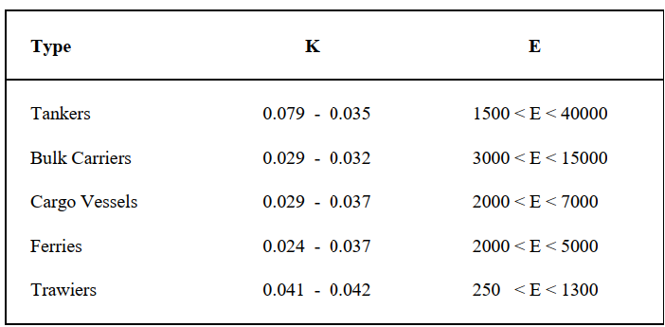

 |  |  |  |  |  |  | k = | 0.045 |  |  |  | k = | 0.04
 |  |  |  |  |  |  | E = | 312.59645672 |  |  |  | E = | 267.68129909

 |  |  |  |  |  |  | Wst' = | 111.27326288 | Ton |  |  | Wst' = | 80.097786384 | Ton

 |  |  |  |  |  | 3. Berat Konstruksi Kapal (Steel) |  |  |  |  | 3. Berat Konstruksi Kapal (Steel)

 |  |  |  |  |  |  | Cb | = Block Coefficient |  |  |  | Cb | = Block Coefficient
 |  |  |  |  |  |  |  | 0.58 |  |  |  |  | 0.45
 |  |  |  |  |  |  | T | = Sarat |  |  |  | T | = Sarat
 |  |  |  |  |  |  |  | 1.42 | m |  |  |  | 3.44 | m
 |  |  |  |  |  |  | H | = Height |  |  |  | H | = Height
 |  |  |  |  |  |  |  | 2.69 | m |  |  |  | 6.08 | m

 |  |  |  |  |  |  | Wst = | 69.445208897 | Ton | Steel |  | Wst = | 45.233618595 | Ton | Steel

 |  |  |  |  |  | 4. Berat Konstruksi Kapal (Aluminium) |  |  |  |  | 4. Berat Konstruksi Demihull Kapal (Aluminium)
 |  |  |  |  |  |  | ρ Steel | 7.85 | Ton/m^3 |  |  | ρ Steel | 7.85 | Ton/m^3
 |  |  |  |  |  |  | ρ Aluminium | 2.70 | Ton/m^3 |  |  | ρ Aluminium | 2.70 | Ton/m^3
 |  |  |  |  |  |  |  |  |  |  |  | Demihull | 2

 |  |  |  |  | 168 |  | Wst = | 24.60 | Ton | Aluminium |  | Wst = | 31.12 | Ton | Aluminium | 168
 |  |  |  |  | 14.6% |  |  |  |  | (Ditambah 3%) |  |  |  |  |  | 18.5%

 |  |  |  |  |  | Berat Outfit dan Akomodasi |  |  |  |  | Berat Baja Kapal (Untuk Deck)
 |  |  |  |  |  | 1. Berat outfit dan akomodasi (Steel) |  |  |  |  | 1. Parameter Steel Weight

 |  |  |  |  |  |  |  |  |  |  |  | L | = LPP
 |  |  |  |  |  |  | L | = LPP |  |  |  |  | 23.37 | m
 |  |  |  |  |  |  |  | 26.67 | m |  |  | Gap | = Demihull Gap
 |  |  |  |  |  |  | B | = Beam |  |  |  |  | 8.27 | m
 |  |  |  |  |  |  |  | 7.57 | m |  |  | t | = Tinggi deck
 |  |  |  |  |  |  | H | = Height |  |  |  |  | 0.02 | m
 |  |  |  |  |  |  |  | 2.69 | m |  |  | H | = Height
 |  |  |  |  |  |  | K | 0.045 |  |  |  |  | 0.20 | m
 |  |  |  |  |  |  |  |  |  |  |  | li | = Panjang superstruktur
 |  |  |  |  |  |  | Woa= | 21.828659044 | Ton | Steel |  |  | 18.69 | m
 |  |  |  |  |  |  |  |  |  |  |  | hi | = Lebar superstruktur
 |  |  |  |  |  | 2. Berat outfit dan akomodasi (Aluminium) |  |  |  |  |  |  | 8.27 | m
 |  |  |  |  |  |  | ρ Steel | 7.85 | Ton/m^3
 |  |  |  |  |  |  | ρ Aluminium | 2.70 | Ton/m^3 |  |  | E = | 328.57741724

 |  |  |  |  |  |  | Woa= | 7.73 | Ton | Aluminium | 2. Berat baja Kapal untuk Cb = 0,7 yang diukur pada 0,8H
 |  |  |  |  |  |  |  |  |  | (Ditambah 3%)

 |  |  |  |  |  | Berat Permesinan
 |  |  |  |  |  |  | Wme | = Berat Main Engine
 |  |  |  |  |  |  |  | 2.30 | Ton
 |  |  |  |  |  |  | Wpe | = Berat Permesinan Lain
 |  |  |  |  |  |  |  | 10.65 | Ton

 |  |  |  |  |  |  |  |  |  |  |  | k = | 0.02
 |  |  |  |  |  |  |  |  |  |  |  | E = | 328.57741724

 |  |  |  |  |  |  |  |  |  |  |  | Wst' = | 52.924563323 | Ton

 |  |  |  |  |  |  |  |  |  |  | 3. Berat Konstruksi Kapal (Steel)

 |  |  |  |  |  |  |  |  |  |  |  | Cb | = Block Coefficient
 |  |  |  |  |  |  |  |  |  |  |  |  | 0.90
 |  |  |  |  |  |  |  |  |  |  |  | T | = Sarat
 |  |  |  |  |  |  |  |  |  |  |  |  | 0.02 | m
 |  |  |  |  |  |  |  |  |  |  |  | H | = Height
 |  |  |  |  |  |  |  |  |  |  |  |  | 0.20 | m

 |  |  |  |  |  |  |  |  |  |  |  | Wst = | 48.220157695 | Ton | Steel

 |  |  |  |  |  |  |  |  |  |  | 4. Berat Konstruksi Demihull Kapal (Aluminium)
 |  |  |  |  |  |  |  |  |  |  |  | ρ Steel | 7.85 | Ton/m^3
 |  |  |  |  |  |  |  |  |  |  |  | ρ Aluminium | 2.70 | Ton/m^3

 |  |  |  |  |  |  |  |  |  |  |  | Wst = | 16.59 | Ton | Aluminium

 |  |  |  |  |  |  |  |  |  |  | Berat Konstruksi Catamaran = |  |  | 47.70 | Ton

 |  |  |  |  |  |  |  |  |  |  | Berat Outfit dan Akomodasi
 |  |  |  |  |  |  |  |  |  |  | 1. Berat outfit dan akomodasi (Steel)

 |  |  |  |  |  |  |  |  |  |  |  | L | = LPP
 |  |  |  |  |  |  |  |  |  |  |  |  | 23.37 | m
 |  |  |  |  |  |  |  |  |  |  |  | B | = Beam
 |  |  |  |  |  |  |  |  |  |  |  |  | 12.25 | m
 |  |  |  |  |  |  |  |  |  |  |  | H | = Height
 |  |  |  |  |  |  |  |  |  |  |  |  | 6.08 | m
 |  |  |  |  |  |  |  |  |  |  |  | K | 0.045

 |  |  |  |  |  |  |  |  |  |  |  | Woa= | 19.827998081 | Ton | Steel

 |  |  |  |  |  |  |  |  |  |  | 2. Berat outfit dan akomodasi (Aluminium)
 |  |  |  |  |  |  |  |  |  |  |  | ρ Steel | 7.85 | Ton/m^3
 |  |  |  |  |  |  |  |  |  |  |  | ρ Aluminium | 2.70 | Ton/m^3

 |  |  |  |  |  |  |  |  |  |  |  | Woa= | 6.82 | Ton | Aluminium

 |  |  |  |  |  |  |  |  |  |  | Berat Permesinan
 |  |  |  |  |  |  |  |  |  |  |  | Wme | = Berat Main Engine
 |  |  |  |  |  |  |  |  |  |  |  |  | 2.30 | Ton | 2 engine
 |  |  |  |  |  |  |  |  |  |  |  | Wpe | = Berat Permesinan Lain
 |  |  |  |  |  |  |  |  |  |  |  |  | 10.65 | Ton

 |  |  |  |  |  |  |  |  |  |  |  | Wm = | 12.95 | Ton

LOADCASE
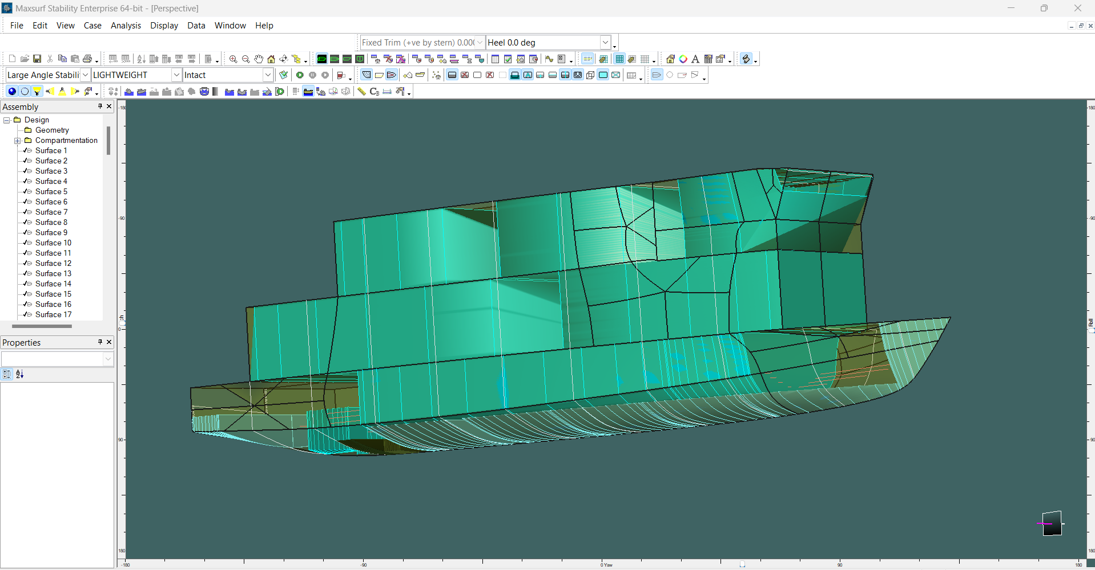
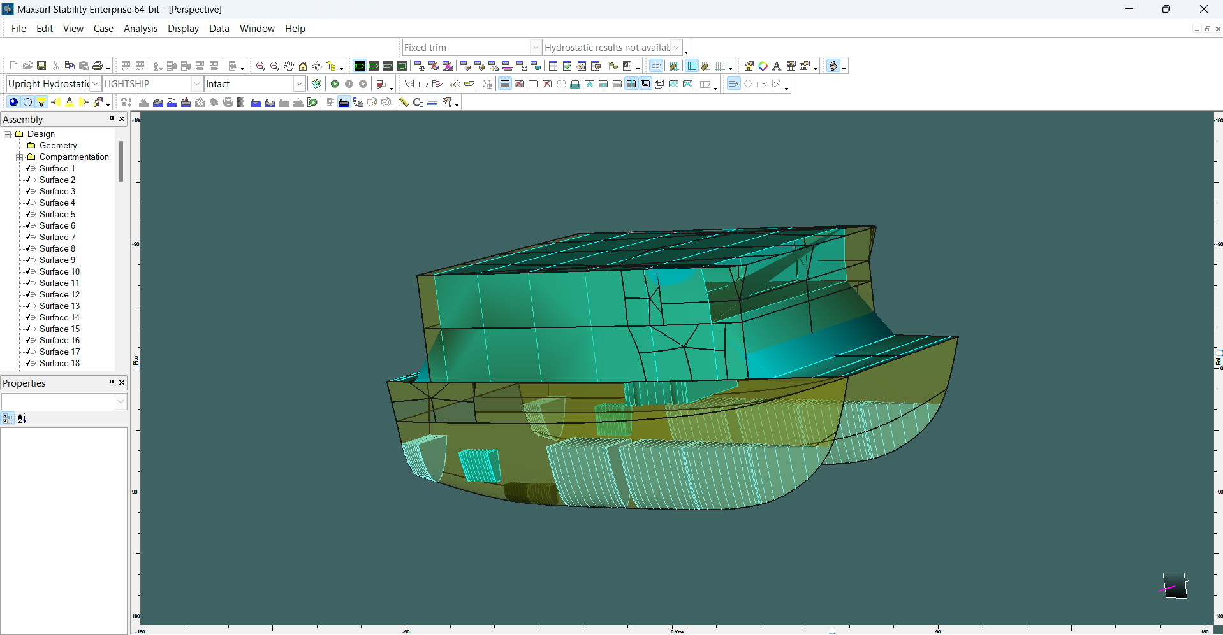
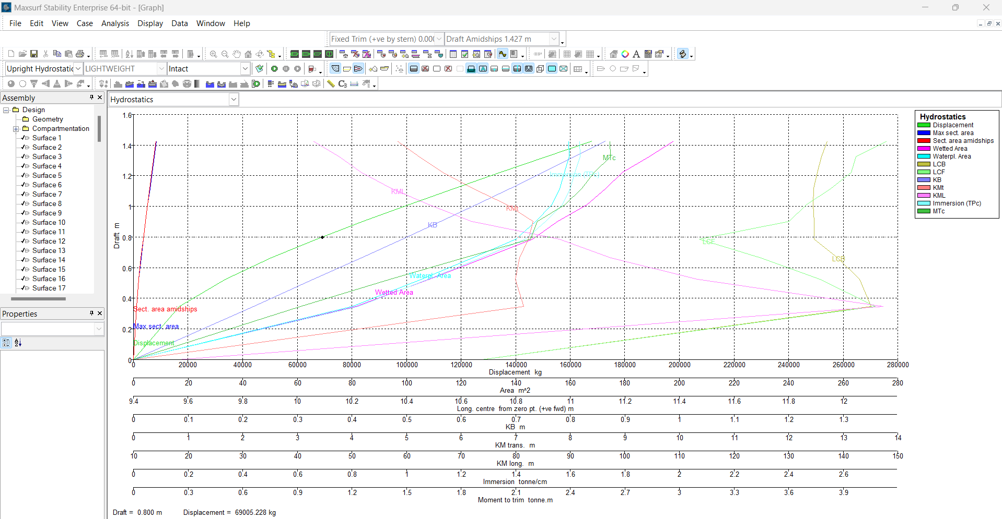
LAODCASE MONO |  |  |  |  |  |  |  |  | LAODCASE CATA
NO | TANK / COMPARTMENT | MAX CAPACITY |  | LOADCASE |  |  |  |  | NO | TANK / COMPARTMENT | MAX CAPACITY |  | LOADCASE
 |  | MAX. VOLUME (M^3) | MAX. WEIGHT (TON) | I | II | III | IV | V |  |  | MAX. VOLUME (M^3) | MAX. WEIGHT (TON) | I | II | III | IV | V
 |  |  |  | (Lightship) | (Full Load) | (Window Time after 1x Trip) | (At Trip 5) | (Last Trip Before Refueling) |  |  |  |  | (Lightship) | (Full Load) | (Window Time after 1x Trip) | (At Trip 5) | (Last Trip Before Refueling)
1 | LWT (Lightship) |  | 44.13 | 100% | 100% | 100% | 100% | 100% | 1 | LWT (Lightship) |  | 66.32 | 100% | 100% | 100% | 100% | 100%
2 | Crew Compartment | 163.52 | 1.50 | 0% | 100% | 100% | 100% | 100% | 2 | Passenger Compartment 1 + CREW | 507.79 | 10.80 | 0% | 100% | 14% | 100% | 100%
3 | Passenger Compartment 1 | 361.32 | 8.85 | 0% | 100% | 0% | 100% | 100% | 3 | Passenger Compartment 2 | 519.01 | 6.00 | 0% | 100% | 0% | 100% | 100%
4 | Passenger Compartment 2 | 291.36 | 6.30 | 0% | 100% | 0% | 100% | 100% | 4 | Storage | 24.84 | 0.16 | 0% | 100% | 88% | 44% | 13%
5 | Storage | 27.85 | 0.19 | 0% | 100% | 89% | 50% | 11% | 5 | Fuel Oil Tank (PS & SB) | 1.12 | 1.06 | 0% | 100% | 88% | 48% | 19%
6 | Fuel Oil Tank (PS & SB) | 1.12 | 1.06 | 0% | 100% | 89% | 51% | 13% | 6 | Lubricant Oil Tank (PS & SB) | 1.20 | 1.11 | 0% | 100% | 99.9% | 99.5% | 99.3%
7 | Lubricant Oil Tank (PS & SB) | 0.61 | 0.56 | 0% | 100% | 99.8% | 99.3% | 98.8% | 7 | Fresh Water Tank (PS & SB) | 26.49 | 26.49 | 0% | 100% | 96.1% | 82.5% | 72.9%
8 | Fresh Water Tank (PS & SB) | 12.33 | 12.33 | 0% | 100% | 95.6% | 80.4% | 65.2% | 8 | After Peak Tank (PS & SB) | 5.688 | 5.6876 | 0% | 75% | 100% | 75% | 75%
9 | Fore Peak Tank | 1.766 | 1.7659 | 0% | 75% | 100% | 75% | 75% | 9 | Ballast Tank 1 (PS & SB) | 20.254 | 20.2546 | 0% | 75% | 100% | 75% | 75%
10 | After Peak Tank (PS & SB) | 7.172 | 7.1716 | 0% | 75% | 100% | 75% | 75% | 10 | Ballast Tank 2 (PS & SB) | 12.982 | 12.982 | 0% | 75% | 100% | 75% | 75%
11 | Ballast Tank 1 (PS & SB) | 12.186 | 12.185 | 0% | 75% | 100% | 75% | 75% | 11 | Ballast Tank 3 (PS & SB) | 3.958 | 3.9576 | 0% | 75% | 100% | 75% | 75%
12 | Ballast Tank 2 (PS & SB) | 11.04 | 11.0402 | 0% | 75% | 100% | 75% | 75% | DISPLACEMENT ACTUAL (TON) |  |  | 154.82
13 | Ballast Tank 3 (PS & SB) | 7.998 | 7.9978 | 0% | 75% | 100% | 75% | 75%
14 | Ballast Tank 4 (PS & SB) | 3.682 | 3.6822 | 0% | 75% | 100% | 75% | 75%

ACTUAL DISPLACEMENT (TON) |  |  | 118.77

GRAFIK STABILITAS
MONOHULL | CATAMARAN
KURVA RIGHTING LEVER (Panjang GZ) | KURVA RIGHTING LEVER (Panjang GZ)
 | LOADCASE I | LOADCASE II | LOADCASE III | LOADCASE IV | LOADCASE V
-30 | -2.483 | -1.428 | -1.88 | -1.277 | -1.244
-20 | -2.02 | -1.167 | -1.484 | -1.073 | -1.057
-10 | -1.206 | -0.729 | -0.895 | -0.648 | -0.644
0 | 0 | 0 | 0 | 0.006 | 0.003
10 | 1.208 | 0.729 | 0.895 | 0.696 | 0.686
20 | 2.021 | 1.17 | 1.486 | 1.136 | 1.117
30 | 2.486 | 1.443 | 1.894 | 1.335 | 1.3
40 | 2.734 | 1.574 | 2.146 | 1.422 | 1.368
50 | 2.837 | 1.626 | 2.295 | 1.461 | 1.387
60 | 2.837 | 1.653 | 2.398 | 1.463 | 1.378
70 | 2.816 | 1.745 | 2.543 | 1.497 | 1.399
80 | 2.99 | 2.099 | 2.933 | 1.616 | 1.529
90 | 3.925 | 2.479 | 3.348 | 1.639 | 1.572
100 | 4.838 | 2.718 | 3.601 | 1.451 | 1.418
110 | 4.803 | 2.807 | 3.664 | 1.082 | 1.084
120 | 4.196 | 2.569 | 3.344 | 0.657 | 0.645
130 | 3.35 | 2.097 | 2.772 | 0.307 | 0.28
140 | 2.345 | 1.523 | 2.077 | 0.058 | 0.01
150 | 1.301 | 0.928 | 1.342 | -0.065 | -0.127
160 | 0.306 | 0.35 | 0.613 | -0.062 | -0.109
170 | -0.389 | 0.173 | 0.291 | -0.062 | -0.093
180 | 0 | 0 | 0 | -0.064 | -0.065
 | LOADCASE I | LOADCASE II | LOADCASE III | LOADCASE IV | LOADCASE V
-30 | -5.039 | -4.762 | -4.874 | -4.742 | -4.717
-20 | -5.049 | -3.904 | -4.068 | -3.97 | -4.001
-10 | -3.335 | -1.999 | -2.092 | -2.047 | -2.063
0 | -0.006 | -0.003 | -0.003 | -0.016 | -0.003
10 | 3.331 | 1.994 | 2.087 | 2.016 | 2.057
20 | 5.051 | 3.903 | 4.067 | 3.945 | 4
30 | 5.041 | 4.764 | 4.876 | 4.721 | 4.718
40 | 4.891 | 4.533 | 4.677 | 4.482 | 4.474
50 | 4.623 | 4.188 | 4.362 | 4.133 | 4.122
60 | 4.29 | 3.769 | 3.968 | 3.712 | 3.698
70 | 4.077 | 3.392 | 3.613 | 3.337 | 3.323
80 | 4.633 | 3.618 | 3.868 | 3.579 | 3.571
90 | 7.191 | 4.912 | 5.244 | 4.942 | 4.979
100 | 7.691 | 5.331 | 5.665 | 5.368 | 5.406
110 | 7.013 | 4.945 | 5.252 | 4.974 | 5.001
120 | 5.831 | 4.085 | 4.359 | 4.105 | 4.123
130 | 4.351 | 2.993 | 3.225 | 3.005 | 3.011
140 | 2.723 | 1.768 | 1.951 | 1.771 | 1.767
150 | 1.045 | 0.539 | 0.667 | 0.533 | 0.517
160 | -0.557 | -0.545 | -0.478 | -0.563 | -0.591
170 | -1.763 | -1.052 | -1.061 | -1.092 | -1.138
180 | 0 | 0 | 0 | 0.013 | 0

KURVA DYNAMIC STABILITY (Area GZ) | KURVA DYNAMIC STABILITY (Area GZ)
 | LOADCASE I | LOADCASE II | LOADCASE III | LOADCASE IV | LOADCASE V
-30 | 45.412 | 26.5638 | 33.6839 | 24.0342 | 23.6865
-20 | 22.7282 | 13.5235 | 16.7894 | 12.1711 | 12.0693
-10 | 6.2325 | 3.811 | 4.648 | 3.3461 | 3.3423
0 | 0 | 0 | 0 | 0.0112 | 0.0055
10 | 6.2464 | 3.813 | 4.6507 | 3.6145 | 3.5503
20 | 22.7447 | 13.5188 | 16.7815 | 13.0159 | 12.8095
30 | 45.5052 | 26.6946 | 33.8074 | 25.5201 | 25.0429
40 | 71.7424 | 41.8799 | 54.1257 | 39.3631 | 38.4394
50 | 99.7023 | 57.9166 | 76.3907 | 53.8163 | 52.2463
60 | 128.123 | 74.3138 | 99.8846 | 68.4477 | 66.0816
70 | 156.382 | 91.1344 | 124.4421 | 83.1712 | 79.8794
80 | 184.9373 | 110.1968 | 151.6665 | 98.7237 | 94.4892
90 | 219.0392 | 133.1718 | 183.1634 | 115.1464 | 110.134
100 | 263.3896 | 159.2641 | 218.0466 | 130.7757 | 125.2451
110 | 312.333 | 187.093 | 254.6204 | 143.5476 | 137.8862
120 | 357.6062 | 214.2393 | 289.9551 | 152.2219 | 146.5342
130 | 395.488 | 237.7043 | 320.6822 | 156.9599 | 151.075
140 | 424.0517 | 255.8353 | 344.9765 | 158.6927 | 152.4438
150 | 442.2677 | 268.1413 | 362.1369 | 158.5343 | 151.7173
160 | 450.2637 | 274.3112 | 371.7018 | 157.847 | 150.4759
170 | 449.1701 | 276.7116 | 375.9909 | 157.2396 | 149.4804
180 | 446.555 | 277.6436 | 377.4944 | 156.603 | 148.6754
 | LOADCASE I | LOADCASE II | LOADCASE III | LOADCASE IV | LOADCASE V
-30 | 112.3852 | 83.9903 | 87.2597 | 85.2167 | 85.5708
-20 | 61.0711 | 39.9832 | 41.7957 | 40.9161 | 41.1951
-10 | 17.4923 | 9.9051 | 10.3625 | 10.2066 | 10.2127
0 | -0.0113 | -0.0051 | -0.0054 | -0.0292 | -0.0055
10 | 17.3953 | 9.8711 | 10.3221 | 9.9058 | 10.1696
20 | 61.0032 | 39.8108 | 41.6325 | 40.2373 | 41.0364
30 | 112.215 | 84.2391 | 87.4586 | 84.6695 | 85.7444
40 | 161.8144 | 131.2006 | 135.6379 | 131.104 | 132.0923
50 | 209.5279 | 174.7866 | 180.8287 | 174.1691 | 175.0737
60 | 254.0527 | 214.6393 | 222.5439 | 213.4536 | 214.2302
70 | 295.7672 | 250.2677 | 260.2824 | 248.5235 | 249.1623
80 | 337.6374 | 284.3586 | 296.6823 | 282.0966 | 282.5964
90 | 396.7391 | 326.8925 | 342.1364 | 324.5858 | 325.2375
100 | 473.0383 | 379.0588 | 397.6914 | 377.1345 | 378.1955
110 | 547.0468 | 430.9288 | 452.7646 | 429.3269 | 430.7121
120 | 611.5966 | 476.3622 | 501.1077 | 475.0036 | 476.6128
130 | 662.6721 | 511.8921 | 539.1687 | 510.6933 | 512.4209
140 | 698.1436 | 535.7609 | 565.1174 | 534.6372 | 536.3767
150 | 716.9123 | 547.2324 | 578.1483 | 546.0915 | 547.7325
160 | 719.4891 | 547.0348 | 578.9436 | 545.786 | 547.2222
170 | 706.2463 | 538.0036 | 570.1633 | 536.4342 | 537.4789
180 | 695.5275 | 531.8006 | 563.857 | 530.0488 | 530.7625

